Product Report - Inventory A
Not in scope for external reporting - This is being worked on through Partner Portal Enhancements

User Stories
As SLT | I want a quick wy to view the number of tablets/subscriptions out in the market
As a Product Manager | I want to quickly view a summary and breakdown of the number of tablets/subscriptions by hierarchy
As a Franchise Owner | I want see the number of tablets/subscriptions my franchise has and when those subscriptions are coming up for renewal
As a franchise key player | I want see the number of tablets/subscriptions my franchise has and when those subscriptions are coming up for renewal

Who has Requested

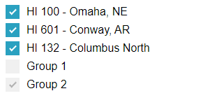
 |  | Franchise Number Slicer (List) |  |  | DATE | This report has two purposes:
 |  |  |  |  | 2019-12-17 | 1. Help with understanding which offices have how many grandpads, for billing purposes. Use Period_End_Date to look back in time, for previous months
 |  |  |  |  |  | 2. Help with understanding which subscriptions are due. The vision Is that a filter will help show what is due in the next 30/60/90 days.

 |  |  |  |  | Due in the Next:
 |  |  |  | x | 30 days
 |  |  |  | x | 60 days
 |  |  |  | x | 90 days
 |  |  |  | x | all

 |  | Active GP Users |  | 974
 |  | Total GP Subscriptions |  | 1617
 |  | Total Active ClearCare clients |  | 8125

 |  | + | HI 148- Denver, CO | 150
 |  | + | HI 328 - Baton Rouge, LA | 147
 |  | - | HI 100 - Omaha, NE | 113
 |  |  | Subscription ID 1 | DD/MM/YYYY
 |  |  | Subscription ID 2 | DD/MM/YYYY
 |  |  | Subscription ID 3 | DD/MM/YYYY
 |  |  | …
 |  | + | HI 729 - Venice, FL | 95
 |  | + | HI 339 - Metairie, LA | 72
 |  | + | HI 299 - Belleville, IL | 70
 |  | + | HI 368 - New York, NY | 57
 |  | + | HI 762 - Springfield, IL | 55
 |  | + | HI 257 - North Olmsted, OH | 50
 |  | + | HI 363 - Madison, WI | 45
 |  | + | HI 352 - Beaverton, OR | 45
 |  | + | HI 283 - Birmingham, MI | 40
 |  | + | HI 354 - Dubuque, IA | 36
 |  | + | HI 619 - Hammond | 31
 |  | + | HI 383 - Skokie, IL | 25
 |  | + | HI 158 - San Diego, CA | 25
 |  | + | HI 468 - Cedar Rapids, IA | 23
 |  | + | HI 664 - Waco, TX | 20
 |  | + | HI 758 - Temple, TX | 20
 |  | + | HI 662 - Waterloo, IA | 20
 |  | + | HI 116 - Cleveland, OH | 20
 |  | + | HI 514 - Lynchburg, VA | 20
 |  | + | HI 524 - Centerville, OH | 20
 |  | + | HI 205 - Elk Grove Village, IL | 20
 |  | + | HI 278 - Plano, TX | 20
 |  | + | HI 778 - Culver City, CA | 18
 |  | + | HI IE 1 - Leopardstown | 17
 |  | + | HI 195 - Mesa, AZ | 15
 |  | + | HI 126 - Fresno, CA | 15
 |  | + | HI 244 - Albany, NY | 15
 |  | + | HI 150 - Maplewood, MN | 15
 |  | + | HI 455 - Statesville, NC | 15
 |  | + | HI 745 - West Jordan, UT | 15
 |  | + | HI 638 - Indianapolis, IN | 15
 |  | + | HI 340 - Palos Heights, IL | 15
 |  | + | Hope Lodge - American Cancer Society | 15
 |  | + | HI 132 - Columbus North | 14
 |  | + | HISC Corporate | 14
 |  | + | HI 258 - Cincinnati, OH | 13
 |  | + | HI 603 - Petal, MS | 10
 |  | + | HI 601 - Conway, AR | 10

BRIDGES Dashboard EIA- H
 |  |  |  |  | This dashboard will link
User Stories
As SLT | I want to have a compelling story on the economic impact of Integrated Care so I can promote franchises becoming IC and/or going deeper
As a Product Manager | I want to have a compelling story on the economic impact of Integrated Care so I can promote franchises becoming IC and/or going deeper

As a Franchise Owner | I want to understand the economic impact Integrated Care has on my business so I can feel good about my investment
 | I want to understand how Integrated Care is helping franchises and clients
 | I want to see ROI through - 1) Increase in Client hours & Tenure 2) CG Retention/Tenure 3) Office Efficiencies

As a franchise key player | I want to understand how Integrated Care is helping my franchise and clients

Report Consumers | Uses
Franchise Owners | See the value of Integrated Care - Compare Integrated Care to non-IC Clients
 | Help them decide to invest or go deeper in investment in Integrated Care
HISC SLT | See the value of Integrated Care - Compare Integrated Care to non-IC Clients
 | Create stories & Talking points around the value of Integrated Care

Who has Requested
Product manager | Lisa Weber

Requirements
R - HISC needs ability to see: 1) An individual franchise's IC clients vs it's non-IC clients 2) Any individual franchises IC clients vs the network population of IC and vs the network's population of non-IC franchises 3) The entire population of IC clients vs entire population of non-IC clients

R - Franchises should see breakdown by only their franchise/multi-franchise - Could Have
Q - Should franchise have views for 2 & 3 above ( 2) Any individual franchises IC clients to the network's population of non-IC franchises 3) The entire population of IC clients to entire population of non-IC clients )
Q - Should this be in Power BI?
Q - Will this be given to Franchises or only HISC? Should this be a report that Owners can pull themselves or HISC would send to franchise owners on demand

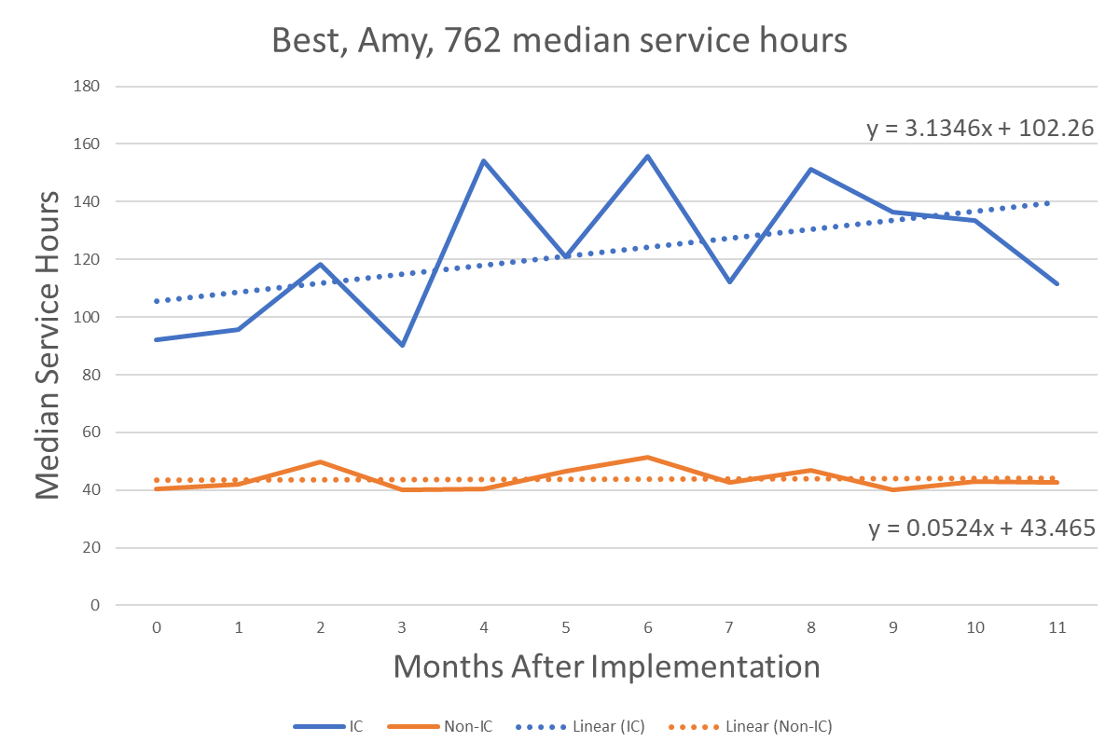
 | This will require cross references from grandpad to clearcare
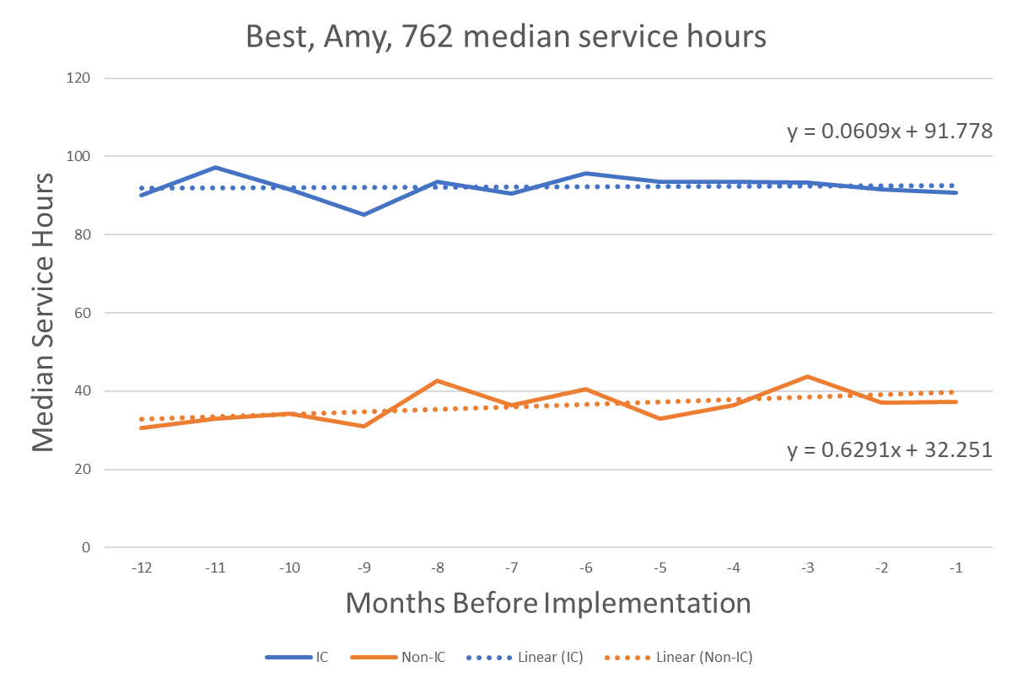

 | CG Tenure before IC
 | CG Tenure after IC

 | Total Hours of Virtual Care
 | Time saved through Virtual Care
 | Money Saved through Virtual Care

 |  |  |  | Could Have |  | Could Have

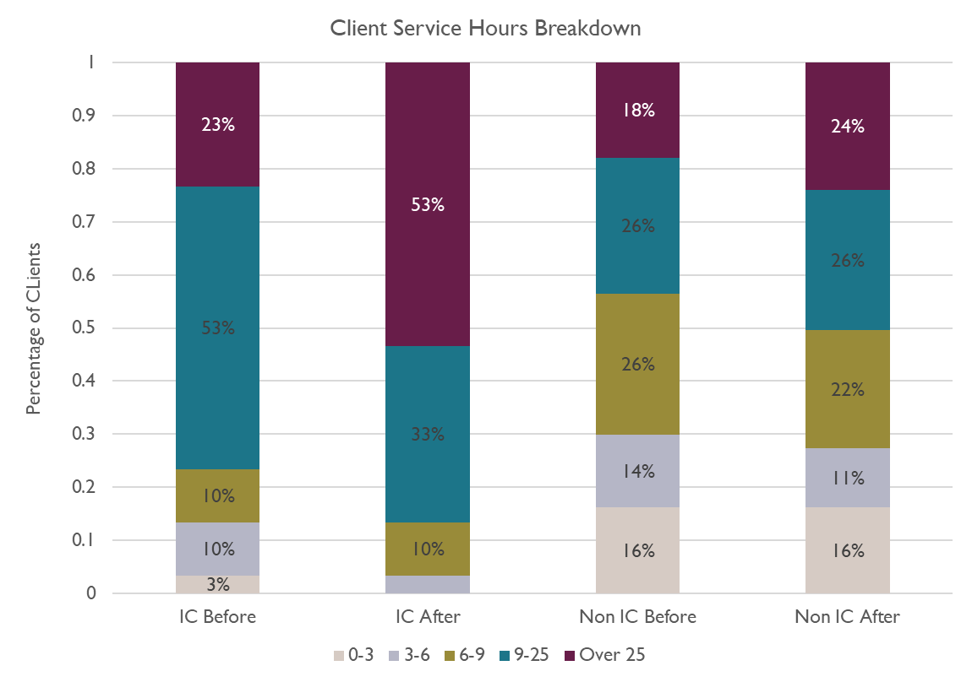
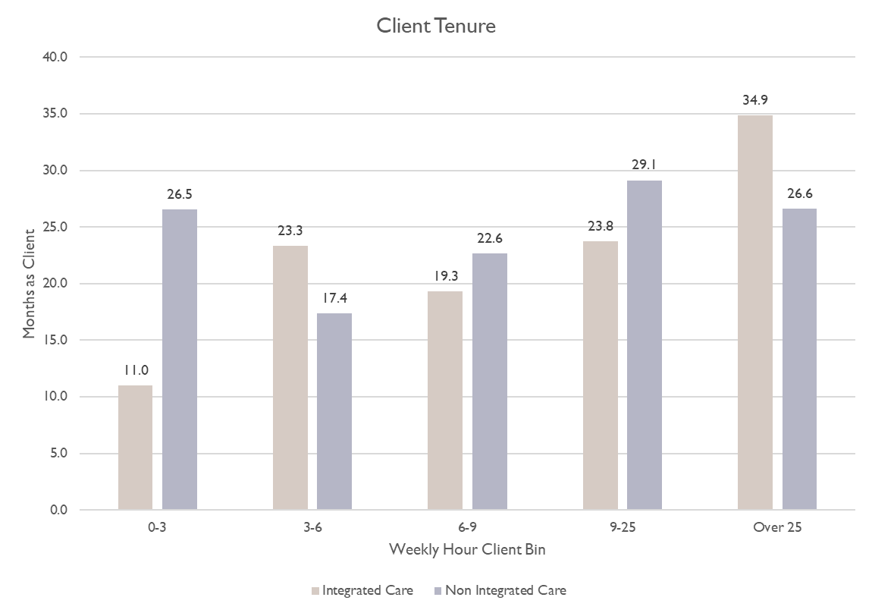

 | Clients in IC | XXX
 | Clients not in IC | XXX

 | Client Count Before IC | XXX
 | Client Count After IC | XXX

 | Total Client Hours Before Implementation
 | Total Client Hours after Implementation

 |  |  | Must Have |  |  | Must Have

Requirements

Client UsageEF
User Stories
As SLT
As a Product Manager | I want to understand what products and services are getting the most usage so I can prioritize future builds

As a Franchise Owner | I want to understand how my clients are using the Grandpad so I can coach CG's to engaging clients

As a franchise key player | I want to understand how my clients are using the Grandpad so I can coach CG's to engaging clients

Report Consumers | Uses |  |  |  |  |  |  |  |  |  |  | video_calls_outgoing_30_days
Franchise Owners & GM's | See how clients are using Tablet - Coach CG's on how to engage client |  |  |  |  |  |  |  |  |  |  | voice_calls_incoming_1_day
 | Help them decide to invest or go deeper in investment in Integrated Care |  |  |  |  |  |  |  |  |  |  | voice_calls_incoming_7_days
Product Management | Determine priority for product development |  |  |  |  |  |  |  |  |  |  | voice_calls_incoming_30_days
 |  |  |  |  |  |  |  |  |  |  |  | voice_calls_outgoing_1_day
 |  |  |  |  |  |  |  |  |  |  |  | voice_calls_outgoing_7_days
 |  |  |  |  |  |  |  |  |  |  |  | voice_calls_outgoing_30_days

Who has Requested

Requirements
R - Need to have both a franchise-level summary of activity & an individual client/device usage summary
R - Need to have in dashboard format with - Ability to change the date ranges, Ability to get Past month(S), Year(s), MTD, YTD, and We will need ability to send these reports to individual franchises showing only that franchise's data
R - Should we add : Virtual QA’s, Activity of the Day (see AoD by Client), RPN Portal activity, Website (Family Resources) Click on, GPC & Companion App calls in & out
R - Need to see Video Calls answered and unanswered
R - Flexibility for adding additional data points as our offering evolves (This is more important than visual design)
R - Need this report to be configurable for modification as we grow
R - Should have - When Client started IC, When client started HISC
Q - Should we leverage this as a "GP usage" report - focusing on all the ways the tablet is used (client & CG). This will allow us to track the value of the tablet as a whole, including new items built
D - GP will need to create automation and data elements for AoD - automated and manual paths

 |  | Internet | Audio Calls made |  | Video Calls made |  |  | Emails sent |  | Photos post
 |  |  | Inbound Calls Answered |  | Inbound Calls Answered |  |  |  |  |  | Office Slicer
 |  |  | Inbound Calls Unnswered |  | Inbound Calls Unnswered |  |  |  |  |  |  | music_purchases
 |  |  | Percent of Calls Answered |  | Percent of Calls Answered |  |  |  |  |  |  | music_pending
 |  |  |  |  |  |  |  |  |  |  |  | music_favorites
 |  |  |  |  |  |  |  |  |  |  |  | latest_device_checkin
 | 7days | XXX | XXX |  | XXX |  |  | XXX |  | XXX |  | last_click
 | 30 days | YYY | YYY |  | YYY |  |  | YYY |  | YYY |  | clicks_1_day
 |  |  |  |  |  |  |  |  |  |  | Date Slicer | clicks_7_days
 |  |  |  |  |  |  |  |  |  |  |  | clicks_30_days
 |  | Camera | Articles |  | Weather |  |  | Music |  | Games |  | total_hours_1_day
 |  |  |  |  |  |  |  |  |  |  |  | total_hours_7_days
 |  |  |  |  |  |  |  |  |  |  |  | total_hours_30_days
 |  |  |  |  |  |  |  |  |  |  |  | music_hours_1_day
 |  |  |  |  |  |  |  |  |  |  |  | music_hours_7_days
 |  |  |  |  |  |  |  |  |  |  |  | music_hours_30_days
 |  |  |  |  |  |  |  |  |  |  |  | game_hours_1_day
 | zx | XXX | XXX |  | XXX |  |  | XXX |  | XXX |  | game_hours_7_days
 | 30 days | YYY | YYY |  | YYY |  |  | YYY |  | YYY |  | game_hours_30_days
 |  |  |  |  |  |  |  |  |  |  |  | emails_sent_1_day
 |  |  |  |  |  |  |  |  |  |  |  | emails_sent_7_days
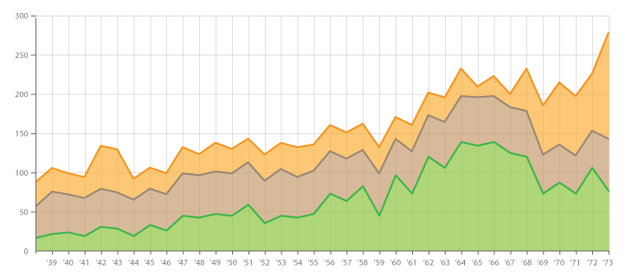
 |  |  |  |  | # of clicks over past 7 days | # of clients | Some sort of visual that franchises can leverage to identify clients that are not using the tablet. R- ability to idenify specific clients not using the tablet. Could have- some sort of alert/highlight of low-usage clients |  |  |  |  | emails_sent_30_days
 |  |  |  |  | 20,000+ clicks | 23 |  |  | # of failed to connect calls |  |  | emails_received_1_day
 |  |  |  | Can this graph display 1) client usage 2) all franchise's client usage 3) All franchises' clients usage? | 10,000 – 19,999 clicks | 30 |  |  | Need to track what caregiver does |  |  | emails_received_7_days
 |  |  |  |  | 5,000 – 9,999 clicks | 63 |  |  |  |  |  | emails_received_30_days
 |  |  |  |  | 1,000 – 4,999 clicks | 225 |  |  |  |  |  | media_sent_1_day
 |  |  |  |  | 500 – 999 clicks | 179 |  |  |  |  |  | media_sent_7_days
 |  |  |  |  | 100 – 499 clicks | 382 |  |  |  |  |  | media_sent_30_days
 |  |  |  |  | 1 – 99 clicks | 308 |  |  |  |  |  | media_received_1_day
 |  |  |  |  | 0 clicks | 415 |  |  |  |  |  | media_received_7_days
 |  |  |  |  | TOTAL | 1,625 |  |  |  |  |  | media_received_30_days
 |  |  |  |  |  |  |  |  |  |  |  | video_calls_incoming_1_day
 |  |  |  |  |  |  |  |  |  |  |  | video_calls_incoming_7_days
 |  |  |  |  |  |  |  |  |  |  |  | video_calls_incoming_30_days
 |  |  |  |  |  |  |  |  |  |  |  | video_calls_outgoing_1_day
 |  |  |  |  |  |  |  |  |  |  |  | video_calls_outgoing_7_days
 |  |  |  |  |  |  |  |  |  |  |  | video_calls_outgoing_30_days
 |  |  |  |  |  |  |  |  |  |  |  | voice_calls_incoming_1_day
 |  |  |  |  |  |  |  |  |  |  |  | voice_calls_incoming_7_days
 |  |  |  |  |  |  |  |  |  |  |  | voice_calls_incoming_30_days
 |  |  |  |  |  |  |  |  |  |  |  | voice_calls_outgoing_1_day
 |  |  |  |  |  |  |  |  |  |  |  | voice_calls_outgoing_7_days
 |  |  |  |  |  |  |  |  |  |  |  | voice_calls_outgoing_30_days
 |  |  |  |  |  |  |  |  |  |  |  | most_popular_app_1_day
 |  |  |  |  |  |  |  |  |  |  |  | most_popular_app_time_1_day
 |  |  |  |  |  |  |  |  |  |  |  | most_popular_app_7_days
 |  |  |  |  |  |  |  |  |  |  |  | most_popular_app_time_7_days
 |  |  |  |  |  |  |  |  |  |  |  | most_popular_app_30_days
 |  |  |  |  |  |  |  |  |  |  |  | most_popular_app_time_30_days
 |  |  |  |  |  |  |  |  |  |  |  | partner_to_gp_video_calls_1_day
 |  |  |  |  |  |  |  |  |  |  |  | partner_from_gp_video_calls_1_day
 |  |  |  |  |  |  |  |  |  |  |  | partner_to_gp_video_calls_7_days
 |  |  |  |  |  |  |  |  |  |  |  | partner_from_gp_video_calls_7_days
 |  |  |  |  |  |  |  |  |  |  |  | partner_to_gp_video_calls_30_days
 |  |  |  |  |  |  |  |  |  |  |  | partner_from_gp_video_calls_30_days
 |  |  |  |  |  |  |  |  |  |  |  | partner_to_gp_voice_calls_1_day
 |  |  |  |  |  |  |  |  |  |  |  | partner_from_gp_voice_calls_1_day
 |  |  |  |  |  |  |  |  |  |  |  | partner_to_gp_voice_calls_7_days
 |  |  |  |  |  |  |  |  |  |  |  | partner_from_gp_voice_calls_7_days
 |  |  |  |  |  |  |  |  |  |  |  | partner_to_gp_voice_calls_30_days
 |  |  |  |  |  |  |  |  |  |  |  | partner_from_gp_voice_calls_30_days

Subscription Rollup Report
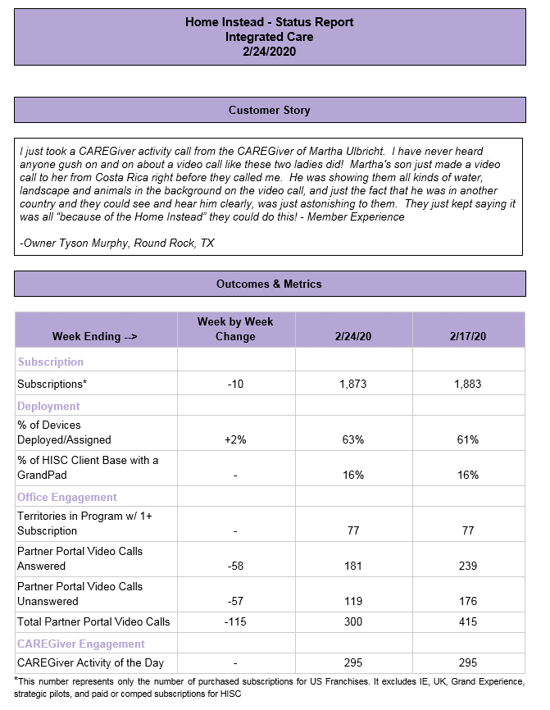
User Stories
As SLT | I need to know the subscriptions so I can track the status of our obligations with GrandPad
As a Product Manager | I need to know the subscriptions so I can track the status of our obligations with GrandPad

As a Franchise Owner

As a franchise key player

Report Consumers | Uses
Product Management and SLT | Track the network's engagement on Integrated Care.
 | Leverage to create startegies to drive Integrated Care

Who has Requested
Product Manager | Lisa Weber

Requirements
R - Need to identify subscriptions that qualify as part of our GP obligation vs don't
D - GP does not currently have data points. They will need to build the data points

Note From Tim on how he builds this report

This report contains the following groups: US – Franchise Offices Production US – Franchise Offices Demo (note: There are 3 demo devices in Skolie, IL that are currently lumped in NA Ops devices category that are reported under this Entity) US – Internal Annual Subscriptions (Internally used test devices, HISC Test, and HISC Corp, Demo devices, Exec GrandPads, NA Ops devices, etc.) US – Strategic Pilot/Testing (devices included in Regency, Hope Lodge, RPN pilots, etc.) US – Grand Experience GP Internal Users - GrandPad Staff testers - not billed GP Temporary Buffer Subscriptions - Non-billed temporary subscriptions to provide relief for franchises affected by flickering screen issues Germany Testing - Device in Germany for HI Bridge Off - Clients who have left Integrated care and are now paying GrandPad directly for their devices UK Ireland

As of Date | 2020-02-16

 | Billable |  |  |  | Non-billable
 | Total ALL subscriptions (Assigned, Unassigned, Pending, and Inactive) | Assigned to Actual HISC Clients (Integrated Care) | Canceled Subscriptions | % Deployed | Total ALL subscriptions (Assigned, Unassigned, Pending, and Inactive) | Canceled Subscriptions | Assigned to Actual HISC Clients (Integrated Care) | Notes
 | Must Have
US Franchise Offices Production | 1712 | 1273 |  | 74.36% |  |  |  | US Franchise Offices - Production
US Franchise Offices Demo | 171 | 0 |  | 0.00% |  |  |  | US Franchise Offices - Demos
US Internal Annual Subscriptions | 15 | 0 |  | 0.00% | 12 |  | 0 | Home Instead Senior Care Test, HISC Corp, NA Ops
US Strategic Pilot/Testing | 23 | 0 |  | 0.00% |  |  |  | RPN Pilots, Hope Lodge
US Grand Experience | 100 | 78 |  | 78.00%
Pre-paid; unordered | 302 | 0 |  | 0.00% |  |  |  | # of subscriptions paid for but not ordered by US Franchises nor Home Office
GP Internal Users |  |  |  |  | 39 |  | 0 | GrandPad testers
GP Temporary Buffer Subscriptions |  |  |  |  | 9 |  |  | Subscriptions provided free of charge to some offices experiencing flickering screen issues
Germany Testing |  |  |  |  | 1 |  | 0
Bridge Off |  |  |  |  | 9 |  | 9 | Clients bridged off from IC
UK | 69 | 13 |  | 18.84%
Ireland | 35 | 21 |  | 60.00%
TOTALS | 2427 | 1385 |  | 57.07% | 70 |  | 9

Changes from 2/2/20:

Possible additional data points

HISC Status Report
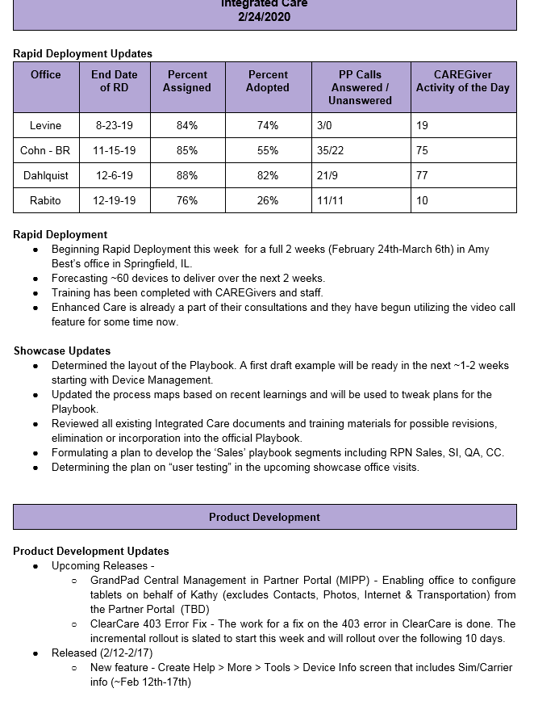
User Stories
As SLT | I want to see the top performing franchise in each category
As a Product Manager | I want to see the top performing franchise in each category

As a Franchise Owner | I want to see where my franchise ranks to others in key categories

As a franchise key player | I want to coach my KP & CG's to the performance of other franchises

Who has Requested

Requirements
Q - Do we want this to be only the top performers or all franchise rankings in the categories?

Additional "Could Have's" for other reports

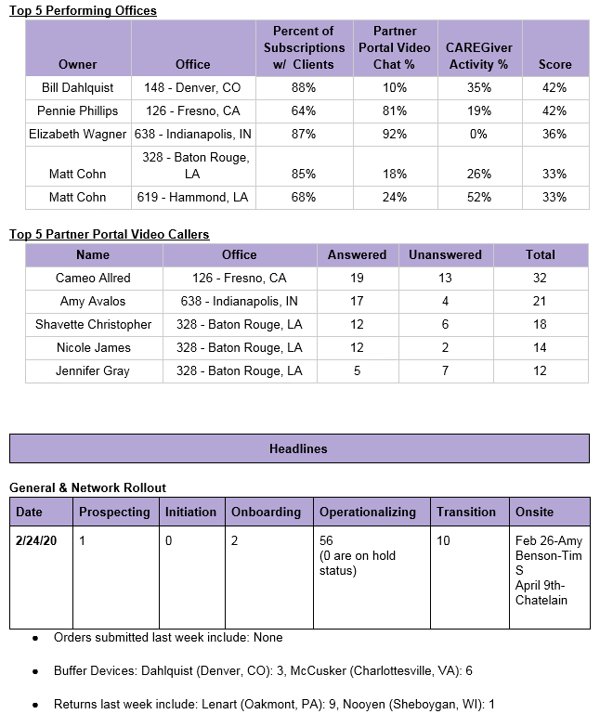

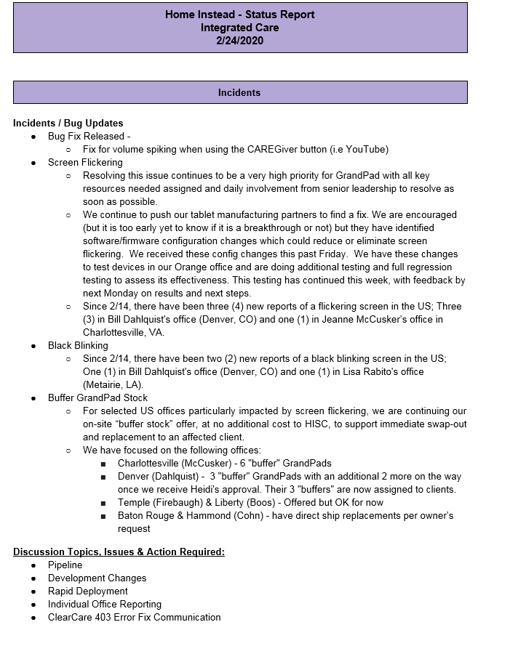
 |  | Don't know if these fields are needed - Lets Discuss thoughts
Don't know if these fields are needed - Lets Discuss thoughts

